Transcript
Transcript: |  | (GPA does not include classes taken out of school)

Semester 1 |  |  |  |  | Semester 3 |  |  |  |  | Semester 5 |  |  |  |  | Semester 7 |  |  |  |  | Semester 8
Course: | Credits: | Grade: | GPA: | QP: | Course: | Credits: | Grade: | GPA: | QP: | Course: | Credits: | Grade: | GPA: | QP: | Course: | Credits: | Grade: | GPA: | QP: | Course: | Credits: | Grade: | GPA: | QP:
AerE 160 | 3 | B+ | 3.33 | 9.99 | AerE 261 | 3 | B- | 2.67 | 8.01 | AerE 310 | 3 | C | 2 | 6 | AerE 331 | 3 | B+ | 3.33 | 9.99 | AerE 462 | 3 | B | 3 | 9
Chem 167 | 4 | A- | 3.67 | 14.68 | ARCH 321 (GenEd) | 3 | B | 3 | 9 | AerE 321 | 3 | A- | 3.67 | 11.01 | AerE 362 | 3 | Pass | NA | NA | AERE 551 (TechE) | 3 | B- | 2.67 | 8.01
Econ 101 (GenEd) | 3 | A | 4 | 12 | EM 274 | 3 | B | 3 | 9 | AerE 322 | 2 | C+ | 2.33 | 4.66 | AerE 411 | 3 | B | 3 | 9 | Ind D 260 | 3 | A | 4 | 12
Math 165 | 4 | B- | 2.67 | 10.68 | MatE 273 | 3 | C- | 1.67 | 5.01 | AerE 351 | 3 | C | 2 | 6 | AerE 461 | 3 | A- | 3.67 | 11.01 | Ind D 341 | 3 | A | 4 | 12
Engr 101 | NA | Pass | NA | NA | MATH 265 | 4 | C+ | 2.33 | 9.32 | AerE 355 | 3 | D | 1 | 3 | Engl 314 | 3 | A- | 3.67 | 11.01 | DES 230 | 3 | A | 4 | 12
Sem Total | 14 | B+ | 3.3821428571 | 47.35 | AerE 294x M:2:I | 1 | B- | 2.67 | 2.67 | AerE 494x M:2:I (TechE) | 3 | A- | 3.67 | 11.01 | HSMP 385x | 1 | Pass | NA | NA | Class 6 | NA | NA | NA | NA
 |  |  |  |  | Sem Total | 17 | C+ | 2.53 | 43.01 | AerE 301 | NA | Pass | NA | NA | Sem Total | 16 | B+ | 3.4175 | 41.01 | Sem Total | 15 | B+ | 3.534 | 53.01
 |  |  |  |  |  |  |  |  |  | Sem Total | 17 | C+ | 2.45 | 41.68
Total To Date: | 25 | B+ | 3.3821428571 | 47.35 | Total To Date: | 66 | B- | 2.8126086957 | 129.38 | Total To Date: | 101 | B- | 2.74 | 210.74 | Total To Date: | 135 | B- | 2.8670093458 | 306.77 | Total To Date: | 153 | B- | 2.95816 | 369.77

Semester 2 |  |  |  |  | Semester 4 |  |  |  |  | Semester 6 |  |  |  |  | Summer 2020
Course: | Credits: | Grade: | GPA: | QP: | Course: | Credits: | Grade: | GPA: | QP: | Course: | Credits: | Grade: | GPA: | QP: | Course | Credits: | Grade: | GPA: | QP:
AerE 161 | 3 | B | 3 | 9 | MATH 267 | 0 | NA | NA | NA | AerE 421 | 3 | C | 2 | 2 | CL ST 273 (GenEd) | 3 | B+ | 3.33 | 9.99
AerE 192 | 0 | Pass | NA | NA | ME 231 | 3 | B | 3 | 9 | AerE 311 | 3 | C | 2 | 2 | Sem Total | 3 | B+ | 3.33 | 9.99
Engl 250 | 3 | B+ | 3.33 | 9.99 | EM 345 | 3 | C- | 1.67 | 5.01 | AerE 344 | 3 | A | 4 | 4
Libr 160 | 1 | Pass | NA | NA | EM 324 | 3 | C | 2 | 6 | AerE 361 | 3 | B- | 2.67 | 2.67
Math 166 | 4 | C- | 1.67 | 6.68 | DES 242X | 4 | A | 4 | 16 | C E 490 (TechE) | 3 | A | 4 | 4
PHYS 221 | 5 | B- | 2.67 | 13.35 | AerE 294x M:2:I | 1 | A- | 3.67 | 3.67 | AerE 494x M:2:I (TechE) | 3 | A- | 3.67 | 3.67
Engl 150 | 3 | Pass | NA | NA | Sem Total | 14 | B- | 2.8342857143 | 39.68 | Sem Total | 18 | B | 3.06 | 55.02
Sem Total | 19 | C+ | 2.6013333333 | 39.02
Total To Date: | 44 | B- | 2.9782758621 | 86.37 | Total To Date: | 80 | B- | 2.8176666667 | 169.06 | Total To Date: | 119 | B- | 2.80 | 265.76 | Total To Date: | 138 | B- | 2.8796363636 | 316.76

Other:

Summer 2017 |  |  |  |  | Summer 2018 |  |  |  |  | Summer-Fall 2019
Course: | Credits: | Grade: |  |  | Course: | Credits: | Grade: |  |  | Course: | Credits: | Grade:
PHYS 222 | 5 | B |  |  | MATH 267 | 4 | Pass |  |  | AerE 398 | 0 | Pass
Summer Total | 5 |  |  |  | Summer Total | 4 |  |  |  | Summer Total | 0

GPA Outlook:
 | Cumulative GPA | GPA: | "2.8" | "3.0" | "2.5" | "3.2" | "3.5"
Semester 1 | 3.3821428571 | 3.3821428571 | 2.8 | 3 | 2.5 | 3.2 | 3.5
Semester 2 | 2.9782758621 | 2.6013333333 | 2.8 | 3 | 2.5 | 3.2 | 3.5
Semester 3 | 2.8126086957 | 2.53 | 2.8 | 3 | 2.5 | 3.2 | 3.5
Semester 4 | 2.8176666667 | 2.8342857143 | 2.8 | 3 | 2.5 | 3.2 | 3.5
Semester 5 | 2.7368831169 | 2.4517647059 | 2.8 | 3 | 2.5 | 3.2 | 3.5
Semester 6 | 2.7974736842 | 3.0566666667 | 2.8 | 3 | 2.5 | 3.2 | 3.5
Semester 7 | 2.8670093458 | 3.4175 | 2.8 | 3 | 2.5 | 3.2 | 3.5
Semester 8 | 2.95816 | 3.534 | 2.8 | 3 | 2.5 | 3.2 | 3.5
Highschool
Course: | Credits: | Grade: | GPA: | QP:
CHEM 177 | 3 | Pass | NA | #VALUE!
CHEM 177 L | 1 | Pass | NA | #VALUE!
ENGL 201 (GenEd) | 3 | Pass | NA | #VALUE!
PHYS 101 | 4 | Pass | NA | #VALUE!
Total | 11 |  | #VALUE! | #VALUE!

Degree Audit
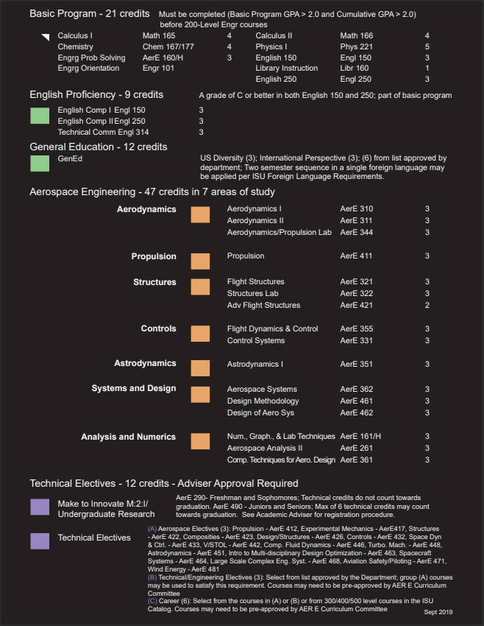
 |  | Iowa State University |  |  |  | 4-Year Plan for Undergraduates
 |  | Department of Aerospace Engineering |  |  |  | 2016,2017,2018,2019 catalog/graduation requirements

Fall | 15 Credits |  | Calculus I | Chemistry for Engineers | Engineering Problem Solving |  | Library Instructions | English Composition I | Engineering Orientation |  | First Year
 |  |  | Math 165 | Chem 167 | AerE 160 |  | Libr 160 | Engl 150 | Engr 101
 |  |  | 4 Credit(s) | 4 Credit(s) | 3 Credit(s) |  | 1 Credit(s) | 3 Credit(s) | 0 Credit(s)
 |  |  | ✔ | ✔ | ✔ |  | ✔ | ✔ | ✔
Spring | 15 Credits |  | Calculus II | Classical Physics I | Num., Graph., & Lab Techniques |  | General Education | Advising Seminar
 |  |  | Math 166 | Phys 221 | AerE 161 |  | *GenEd* | AerE 192
 |  |  | 4 Credit(s) | 5 Credit(s) | 3 Credit(s) |  | 3 Credit(s) | 0 Credit(s)
 |  |  | ✔ | ✔ | ✔ |  | ✔ | ✔
Fall | 18 Credits |  | Multivariable Calculus | Classical Physics II | Intro to Performance & Design |  | Statics for Engineers | English Composition II |  |  | Second Year
 |  |  | Math 165 | PHYS 222 | AerE 261 |  | EM 274 | Engl 250
 |  |  | 4 Credit(s) | 5 Credit(s) | 3 Credit(s) |  | 3 Credit(s) | 3 Credit(s)
 |  |  | ✔ | ✔ | ✔ |  | ✔ | ✔
Spring | 16 Credits |  | Differential Equations Equations | Dynamics | Intro to Material Sci & Engrg |  | Mechanics of Materials | General Education
 |  |  | Math 267 | EM 345 | MatE 273 |  | EM 324 | *GenEd*
 |  |  | 4 Credit(s) | 3 Credit(s) | 3 Credit(s) |  | 3 Credit(s) | 3 Credit(s)
 |  |  | ✔ | ✔ | ✔ |  | ✔ | ✔
Fall | 17 Credits |  | Flight Structures | Structures Lab | Thermo- Dynamics |  | Aero-dynamics I | Astro-dynamics I | Flight Dynamics & Control | Flight Experience | Third Year
 |  |  | AerE 321 | AerE 322 | ME 231 |  | AerE 310 | AerE 351 | AerE 355 | AerE 301
 |  |  | 3 Credit(s) | 2 Credit(s) | 3 Credit(s) |  | 3 Credit(s) | 3 Credit(s) | 3 Credit(s) | 0 Credit(s)
 |  |  | ✔ | ✔ | ✔ |  | ✔ | ✔ | ✔ | ✔
Spring | 18 Credits |  | Advanced Flight Structures | Comp.Techniques for Aero. Design | Aerospace Systems |  | Aero-dynamics/Propultion Lab | Aero-Dynamics II | Flight Con-trol System
 |  |  | AerE 421 | AerE 361 | AerE 362 |  | AerE 344 | AerE 311 | AerE 331
 |  |  | 3 Credit(s) | 3 Credit(s) | 3 Credit(s) |  | 3 Credit(s) | 3 Credit(s) | 3 Credit(s)
 |  |  | ✔ | ✔ | ✔ |  | ✔ | ✔ | ✔
Fall | 15 Credits |  | Technical Elective | Technical Elective | Design Methodology |  | Aero Vehicle Propulsion | Technical Comm |  |  | Forth Year
 |  |  | *TechE* | *TechE* | AerE 461 |  | AerE 411 | Engl 314
 |  |  | 3 Credit(s) | 3 Credit(s) | 3 Credit(s) |  | 3 Credit(s) | 3 Credit(s)
 |  |  | ✔ | ✔ | ✔ |  | ✔ | ✔
Spring | 15 Credits |  | Technical Elective | Technical Elective | Design of Aero Systems |  | General Education | General Education
 |  |  | *TechE* | *TechE* | AerE 462 |  | *GenEd* | *GenEd*
 |  |  | 3 Credit(s) | 3 Credit(s) | 3 Credit(s) |  | 3 Credit(s) | 3 Credit(s)
 |  |  | ✔ | ✔ | ✔ |  | ✔ | ✔

 |  | Disclaimer: This audit is just for reference. Use the audit program in AccessPlus to make sure you are meeting said requirements. |  |  |  |  | Course Groups | Aerospace Requirement | Technical Elective | Engineering Fundamentals

 |  |  |  |  |  |  | Mathematics | Chemistry & Physics | General Education | Advising

